Quotation


Quotation for Wall Painting - Offline Advertising
Client : |  |  | Date:
Sr. No. | Element | State | Rate per sq. ft. | Remark

Terms & Conditions

1. Painter will share photos after completing wall paint. No reccee will be arranged for the same.
2. If there is any chargeable wall, painter will ask to concern company person for approval. If it is approved, rental of wall will be charged extra.
3. Above rates are tentative rates. Once we received design and area list with sq. ft., we will submit final quotation.
4. The media is not traceable and we couldn't assure you for existance. We will submit photos only once we complete the job.
5. If there is any cap of size or design or wall please mention before initiating.
6. GST will be charged 18% additional.
7. Payment terms : 50 % Advance with PO + 25% at the mid of work + 25% at the time of completion. Production will start once we get PO and advance. No cancellation will be accepted once production start.
8. Above mentioned rates are valid till 1st Mar 2026.

Insights
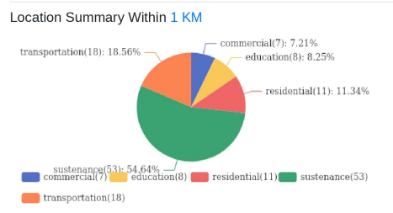
 |  | Introducing Atlas by Excellent Publicity

Population |  | The next evolution of adtech infrastructure and a unified command center that brings digital-level precision to every channel, both online and offline. Through a single, integrated dashboard, brands can plan, execute, and evaluate campaigns across all services, locations, and companies in one place, while gaining full transparency, real-time tracking, and performance visibility even for traditionally offline media.

Hourly Traffic (insert image) | Landmarks Nearby
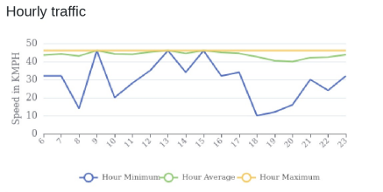 |  |  

Point of Interest

